N-glycans
Glycan Number | GlyTouCan ID | RT (min) - all annotated retention times based on BM37 inj2, except when mentioned | Det m/z | Z | theor. [M-xH]x- | ∆M | theor. [M-H]- | Core | Hex | HexNAc | Fuc | NeuAc | Sulphate | Isoform | Proposed Structure | Category | Subcategory | Sialylation | Fucosylation | Comment - Diagnostic ions (m/z) and exoglycosidases info | R7B1 | R7B3 | R7B6 | R7B11 | BM0 | BM37 | BM41
1 | G99948OF | 26.1 | 571.34 | 1 | 571.24 | -0.104 | 571.24 | 1 | -3 |  | 1 |  |  |  | 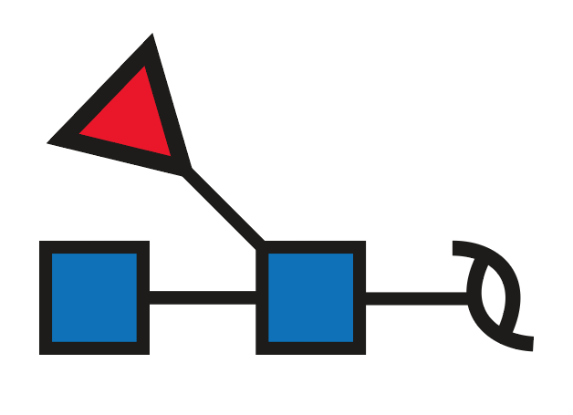 | Paucimannose |  |  | Core | 204, 350, 368, 553 present | 0.16 | 0.13 | 0.13 | 0.27 | 0.15 | 0.12 | 0.62
2a | G27314YB | 35 (R7B1 inj2) | 629.84 | 2 | 629.74 |  | 1260.47 | 1 |  | 1 | 1 |  |  | a | 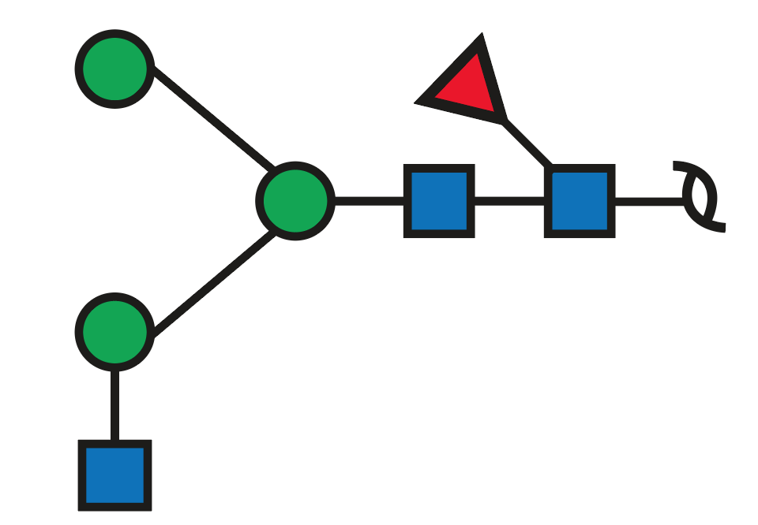 | Complex | Neutral |  | Core
3a | G09614AM | 28.7 | 698.32 | 2 | 698.25 | -0.073 | 1397.49 | 1 | 3 |  |  |  |  | a | 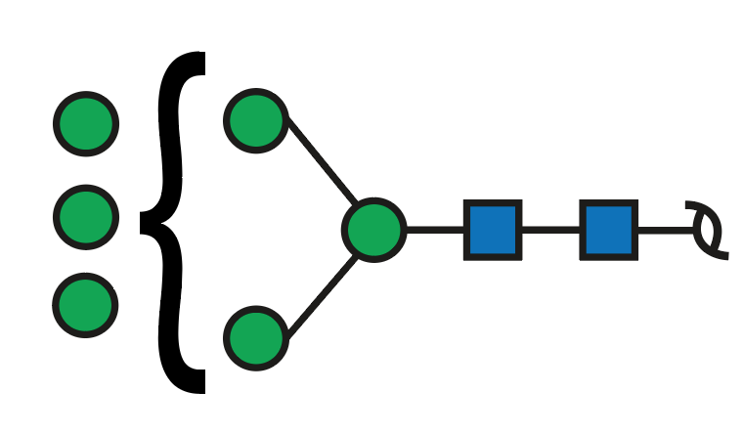 | Oligomannose |  |  |  | - | 2.04 | 0.18 | 0.21 | 0.11 | 0.12 | 0.09
3b | G19949UL | 31.7 | 698.31 | 2 | 698.25 | -0.063 | 1397.49 | 1 | 3 |  |  |  |  | b | 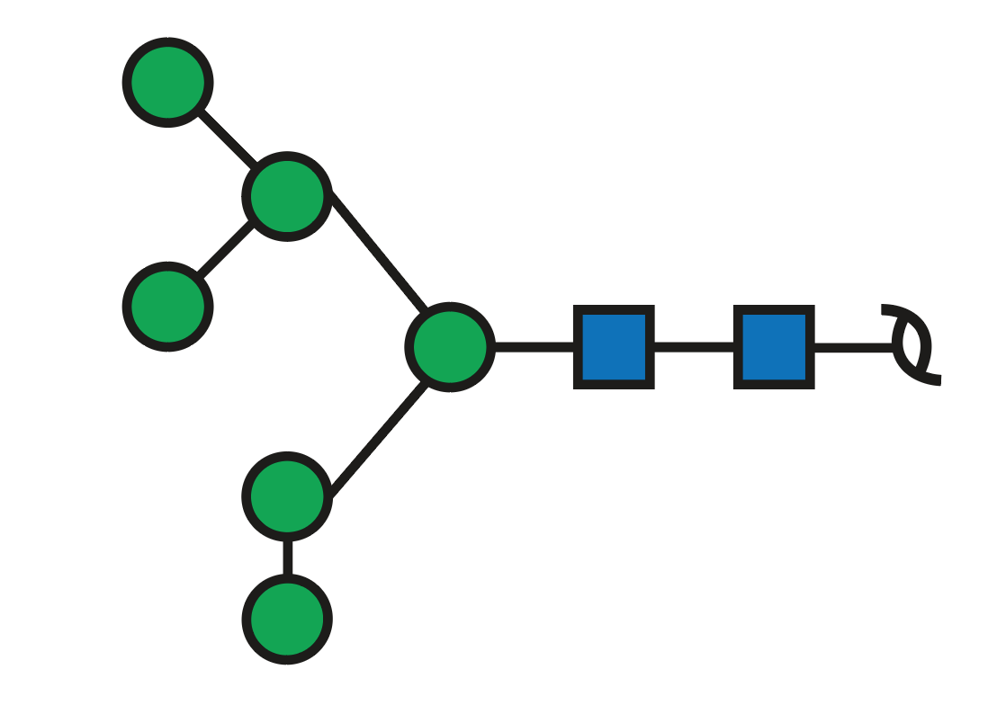 | Oligomannose |  |  |  | Man6 Only one where the pair D-ion 647 and D-18 ion 629 is present Intensity also justifies it as the most common Man6 structure | 1.89 | 3.25 | 2.71 | 3.63 | 2.64 | 2.27 | 1.46
3c | G09614AM | 33.4 | 698.31 | 2 | 698.25 | -0.063 | 1397.49 | 1 | 3 |  |  |  |  | c |  | Oligomannose |  |  |  | Only one where the pair D-ion 809 and D-18 ion 791 is present | 0.33 | 0.37 | 0.24 | 0.17 | 0.20
4a | G78961ZT | 36.8 | 731.36 | 2 | 731.28 | -0.084 | 1463.55 | 1 |  | 2 | 1 |  |  | a | 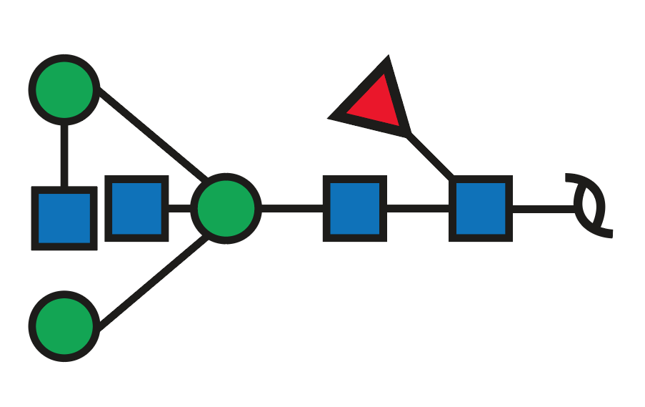 | Complex | Neutral |  | Core | 262 350, 368, 553, 571 526 intense D-ion ( and 508 present) | 3.55 | 3.43 | 1.76 | 2.24 | 1.33 | 5.02 | 2.73
4b | G53931MC | 38.6 | 731.36 | 2 | 731.28 | -0.084 | 1463.55 | 1 |  | 2 | 1 |  |  | b | 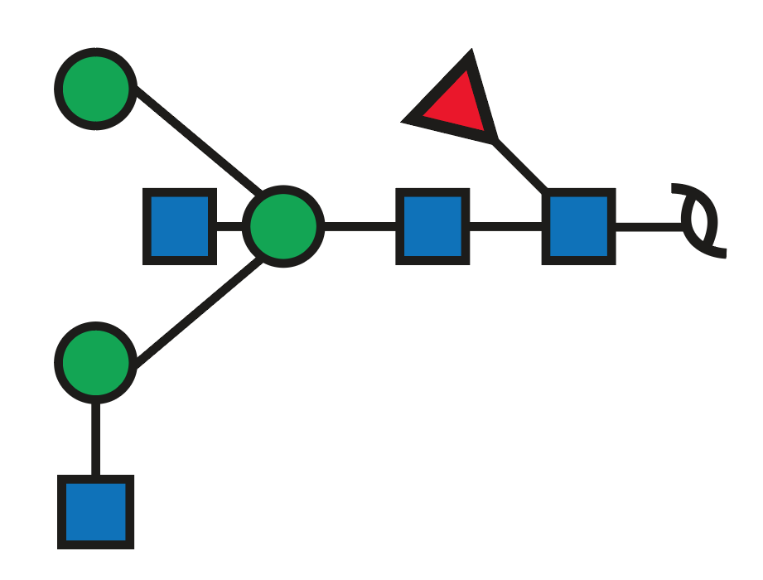 | Complex | Neutral |  | Core | Of the ions of isoform a only 350 and 368 (not intense) present No D-ion 729, so both HexNAc's are out of the Man6 arm (based on data from UniCarb DB the structure depicted is the most probable one) | 0.33 | 0.24 | 0.21 |  |  | 0.21
5 | G13947MP | 27.9 (R7B1 inj2) | 749.40 | 1 | 749.28 | -0.117 | 749.28 | 1 | -1 |  |  |  |  |  | 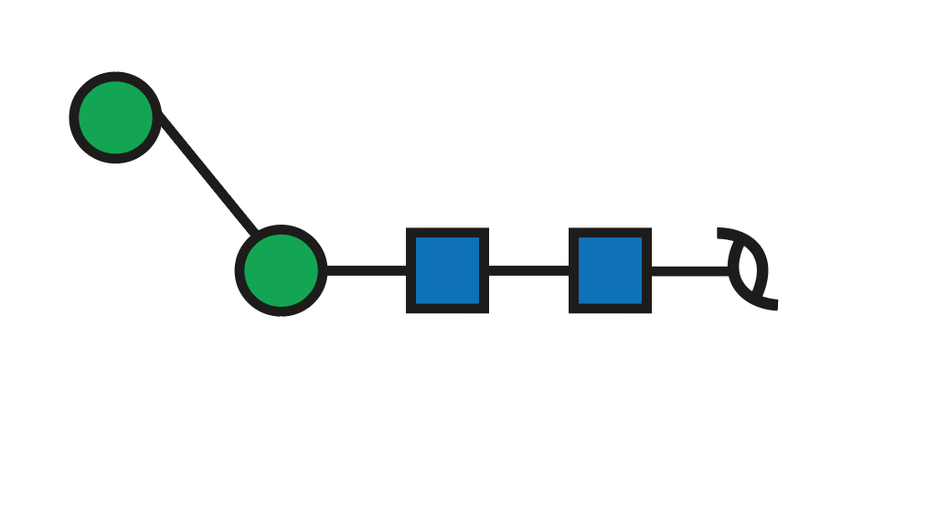 | Paucimannose |  |  |  | 407 very intense (HexNAc reducing end+HexNAc) 407+162 present | 1.93 | 2.01 | 1.73 | 1.08 | 1.05 | 0.45 | 1.41
6a | G95253ST | 29.0 | 779.34 | 2 | 779.27 | -0.066 | 1559.55 | 1 | 4 |  |  |  |  | a | 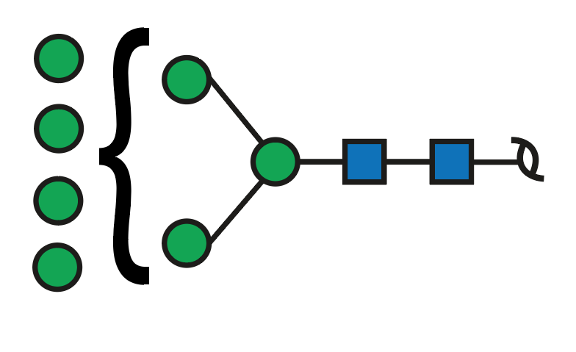 | Oligomannose |  |  |  | - | 0.24 | 0.30 | 0.27 | 0.24 | 0.15 | 0.15 | 0.11
6b | G13869TL | 31.5 | 779.36 | 2 | 779.27 | -0.086 | 1559.55 | 1 | 4 |  |  |  |  | b | 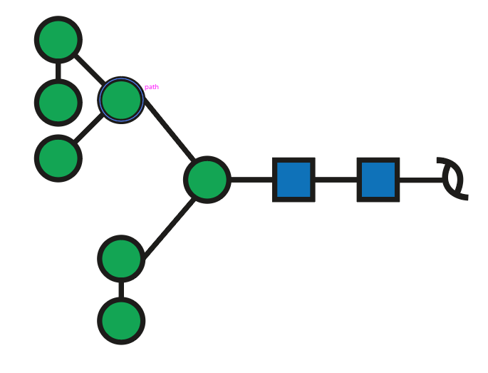 | Oligomannose |  |  |  | Man7 D-ion 809 (and D-18 791) present | 8.05 | 7.45 | 5.79 | 7.32 | 5.36 | 4.84 | 2.51
7a | G75448JJ | 34.1 (R7B3 inj2) | 783.37 | 2 | 783.28 | -0.088 | 1567.56 | 1 | 1 | 1 |  | 1 |  |  | 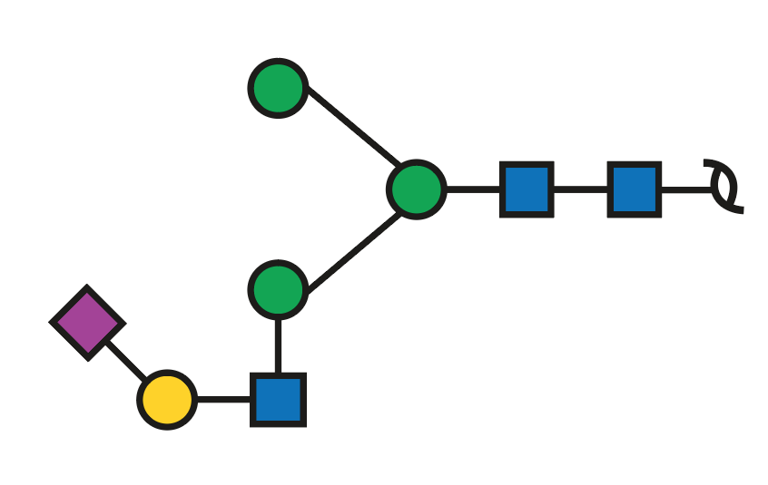 | Complex | Sialylated | 2-6 |  | Not very good spectra Due to absence of D-ion from Man6 arm (961 or 979), sialylated LacNAc should be on Man3 arm | 0.41 | 0.50 | 0.48 | 0.56 | 0.86 | 0.68 | 0.76
7b | G45479GM | 38.5 (R7B3 inj2) | 783.34 | 2 | 783.28 | -0.058 | 1567.56 | 1 | 1 | 1 |  | 1 |  |  | 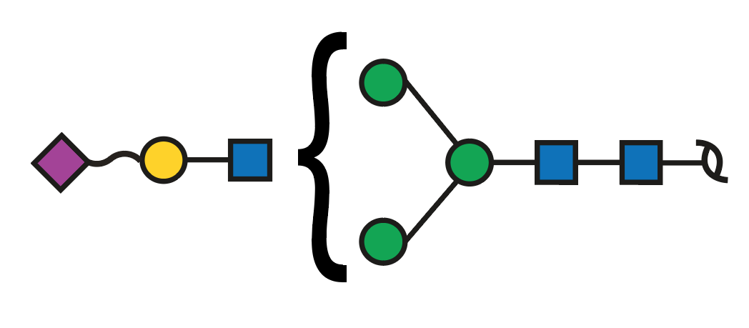 | Complex | Sialylated |  |  | D-ion at 979 (and also D-18) present 290 present |  | 0.17 | 0.12 |  |  | 0.28
8 | G60875XB | 34.7 | 799.87 | 2 | 799.79 | -0.083 | 1600.57 | 1 | 3 | 1 |  |  |  |  | 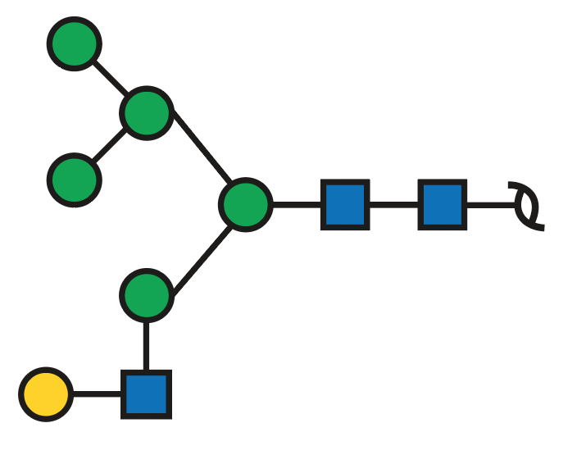 | Hybrid |  |  |  | D-ion 647 (and D-18) present 688 present as well, although doubly charged 424 very intense | 0.36 | 0.32 | 0.29 | 0.19 | 0.52 | 0.46 | 0.50
9a | G81436EU | 36 (R7B1 inj2) | 832.93 | 2 | 832.82 | -0.114 | 1666.63 | 1 |  | 3 | 1 |  |  | a | 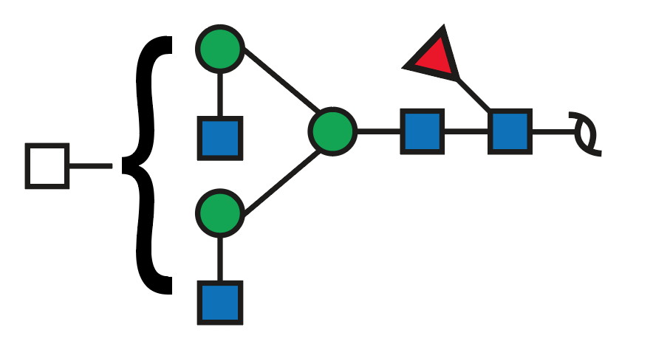 | Complex | Neutral |  | Core | 350, 368, 553, 571 (Core Fucose) can't assign based on this spectra | 0.42 | 0.33 | 0.22 | 0.39 | 0.13 | 0.96 | 1.24
9b |  | 40 (R7B1 inj2) | 832.90 | 2 | 832.82 | -0.084 | 1666.63 | 1 |  | 3 | 1 |  |  | b |  | Complex | Neutral |  | Core | 350, 368, 553, 571 (Core Fucose) 508 and 526 present indicating only one HexNAc in the Man6 arm | 0.31 | 0.19 | 0.15 | 0.10
10a | G58809AD | 38.1 | 856.39 | 2 | 856.31 | -0.079 | 1713.62 | 1 | 1 | 1 | 1 | 1 |  | a | 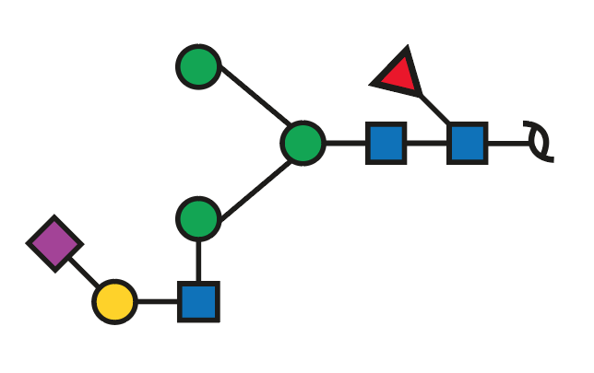 | Complex | Sialylated | 2-6 | Core | Man3 arm occupied 350 core fuc 368 | 2.02 | 2.30 | 2.79 | 3.50 | 3.61 | 4.60 | 7.56
10b | G34822AT | 42.7 | 856.38 | 2 | 856.31 | -0.069 | 1713.62 | 1 | 1 | 1 | 1 | 1 |  | b | 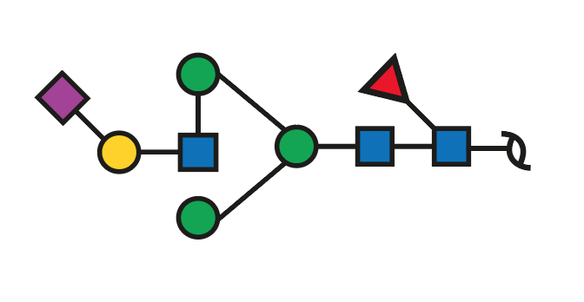 | Complex | Sialylated | 2-6 | Core | 961 and 979 D- and D-18 pair 350 core fuc 368 | 0.22 | 0.27 | 0.53 | 0.31 | 0.22 | 0.33 | 1.16
10c | G59454IE | 43.7 | 856.40 | 2 | 856.31 | -0.089 | 1713.62 | 1 | 1 | 1 | 1 | 1 |  | c | 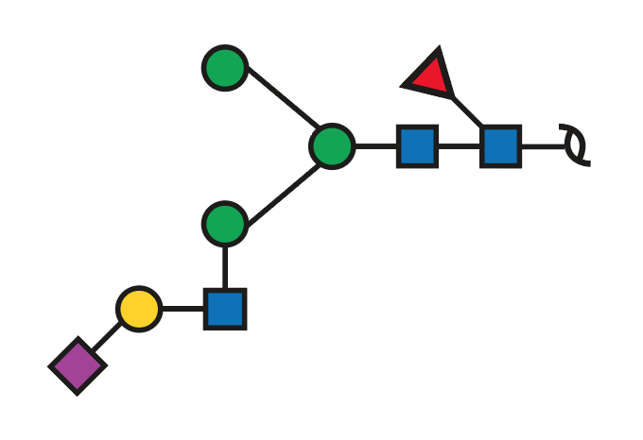 | Complex | Sialylated | 2-3 | Core | Man3 arm occupied 350 core fuc 368 |  |  |  |  | 0.18 | 0.21 | 0.25
10d | G50915WK | 49.7 | 856.40 | 2 | 856.31 | -0.089 | 1713.62 | 1 | 1 | 1 | 1 | 1 |  | d | 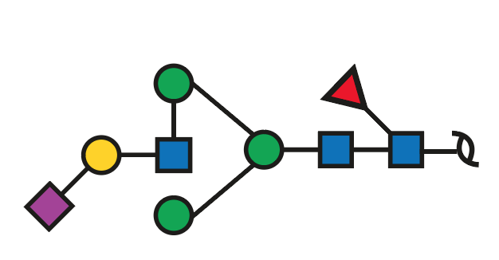 | Complex | Sialylated | 2-3 | Core | 961 and 979 D- and D-18 pair 350 core fuc | 0.06 |  |  |  | 0.16 | 0.27
11a | G67585WD | 28.9 | 860.38 | 2 | 860.30 | -0.080 | 1721.60 | 1 | 5 |  |  |  |  | a | 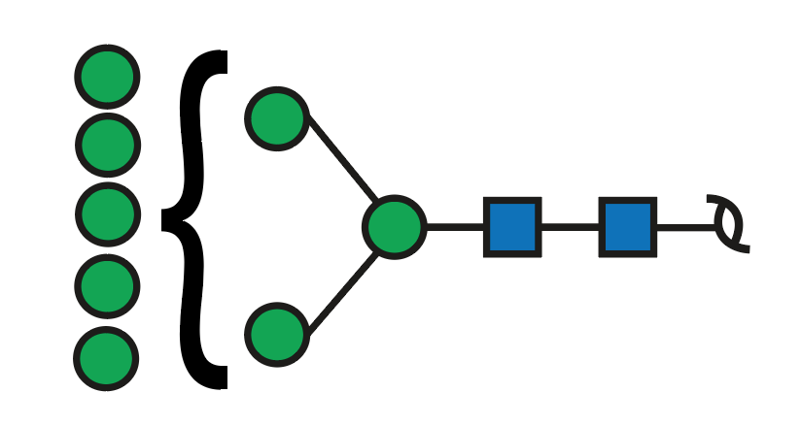 | Oligomannose |  |  |  |  | 0.38 | 0.35 | 0.38 | 0.30 | 0.26 | 0.16 | 0.08
11b | G84170WO | 31.7 | 860.39 | 2 | 860.30 | -0.090 | 1721.60 | 1 | 5 |  |  |  |  | b | 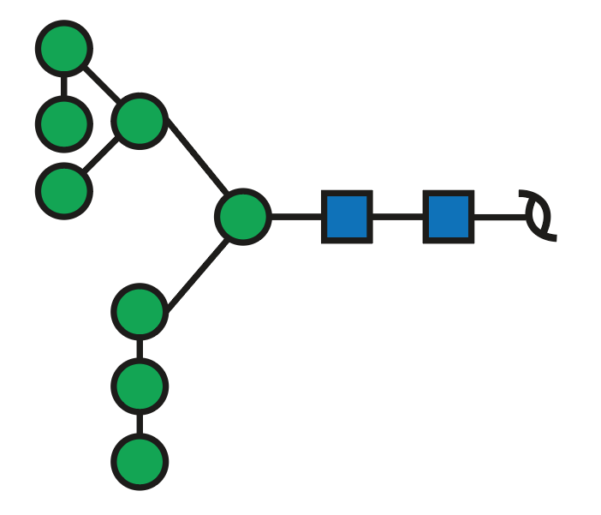 | Oligomannose |  |  |  | Man8 | 11.75 | 10.83 | 7.50 | 10.98 | 10.63 | 6.53 | 3.70
12a | G86802QQ | 32.7 | 864.42 | 2 | 864.31 | -0.112 | 1729.62 | 1 | 2 | 1 |  | 1 |  | a | 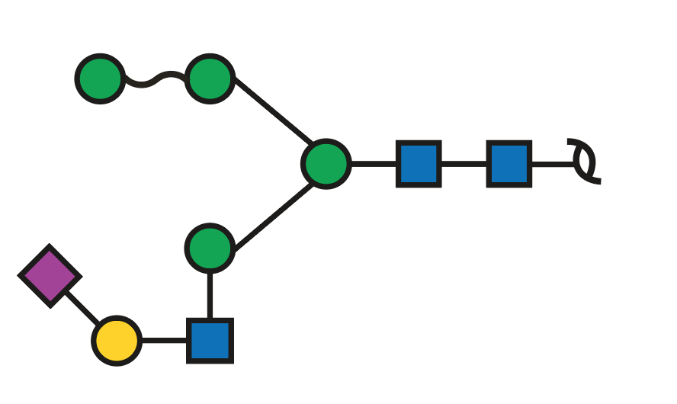 | Hybrid | Sialylated | 2-6 |  | Man3 arm occupied (no 961+979) | 0.86 | 0.88 | 0.79 | 0.92 | 0.96 | 0.61 | 0.32
12b | G38155ZN | 39.1 | 864.38 | 2 | 864.31 | -0.072 | 1729.62 | 1 | 2 | 1 |  | 1 |  | b | 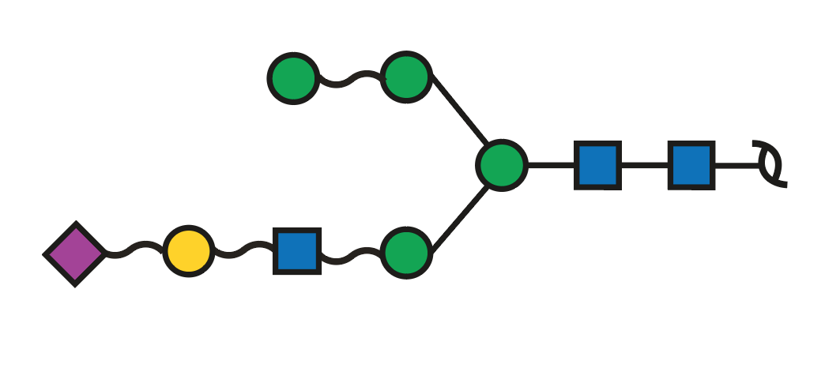 | Hybrid | Sialylated | 2-3 |  | only on MLL samples (normal samples m/z = 863.87) |  |  |  |  | 0.08 | 0.09 | 0.15
12c |  | 39.8 | 864.35 | 2 | 864.31 | -0.042 | 1729.62 | 1 | 2 | 1 |  | 1 |  | c |  | Hybrid | Sialylated | 2-3 |  | only on MLL samples (normal samples m/z = 863.87) |  |  |  |  |  | 0.14 | 0.11
13 | G16768LX | 40.8 | 893.42 | 2 | 893.33 | -0.091 | 1787.66 | 1 | 2 | 2 | 1 |  |  |  | 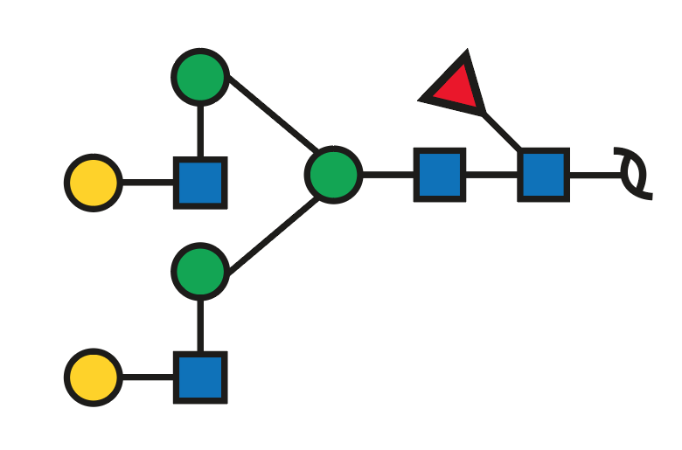 | Complex | Neutral |  | Core | Core fucose 571 D-ion 688 424 | 0.30 | 0.25 | 0.38 | 0.35 | 0.35 | 0.43 | 0.53
14a | G09088BU | 35.6 | 895.45 | 1 | 895.34 | -0.109 | 895.34 | 1 | -1 |  | 1 |  |  | a | 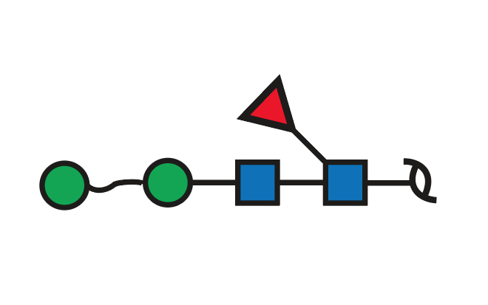 | Paucimannose |  |  |  |  | 3.99 | 3.98 | 4.00 | 6.29 | 3.92 | 5.35 | 16.11
14b |  | 38.0 | 895.47 | 1 | 895.34 | -0.129 | 895.34 | 1 | -1 |  | 1 |  |  | b |  | Paucimannose |  |  |  |  | 0.20 | 0.22 |  |  |  | 0.18
15a |  | 26.8 (R7B1 inj2) | 911.44 | 1 | 911.34 | -0.104 | 911.34 | 1 |  |  |  |  |  | a | 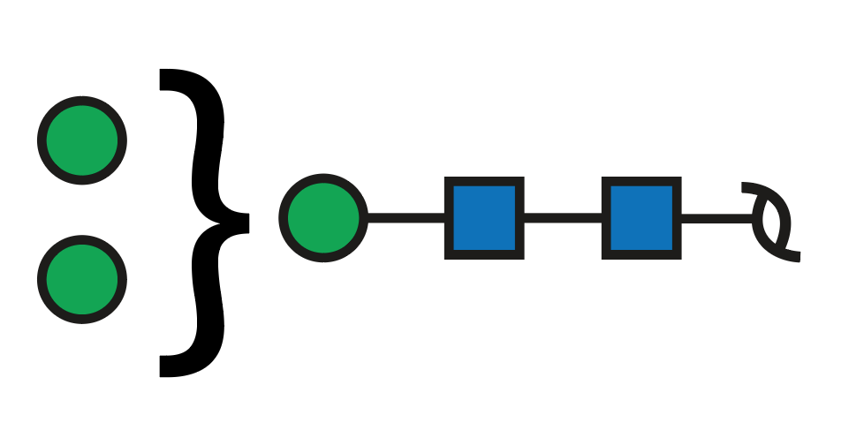 | Paucimannose |  |  |  |  | 0.61 | 0.57 | 0.36 | 0.41 | 0.20 | 0.13 | 0.21
15b |  | 30.6 (R7B1 inj2) | 911.43 | 1 | 911.34 | -0.094 | 911.34 | 1 |  |  |  |  |  | b |  | Paucimannose |  |  |  |  | 0.28 | 0.27 | 0.28 | 0.26 | 0.15 | 0.12 | 0.17
15c | G62167DK | 34.1 (R7B1 inj2) | 911.46 | 1 | 911.34 | -0.124 | 911.34 | 1 |  |  |  |  |  | c | 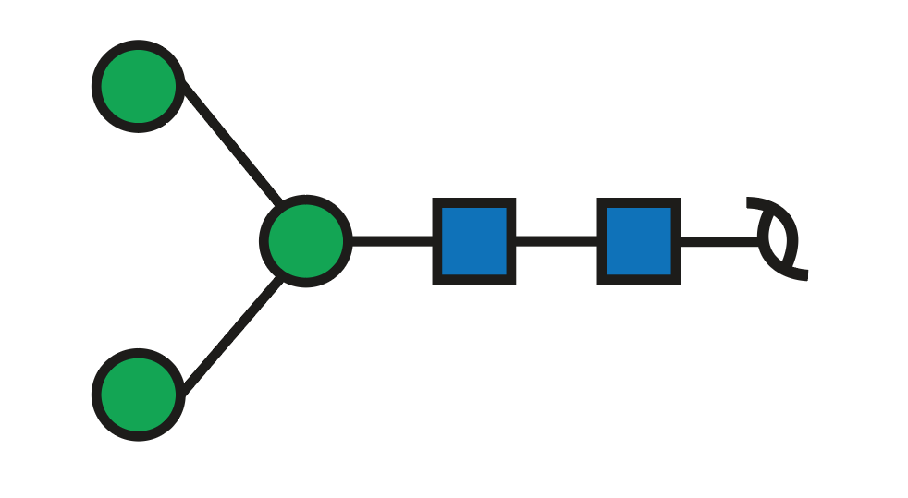 | Paucimannose |  |  |  | Man3 | 0.95 | 0.98 | 0.59 | 0.79 | 0.82 | 0.68 | 1.03
16 | G32455PS | 39.8 (R7B3 inj2) | 934.46 | 2 | 934.36 | -0.104 | 1869.71 | 1 |  | 4 | 1 |  |  |  | 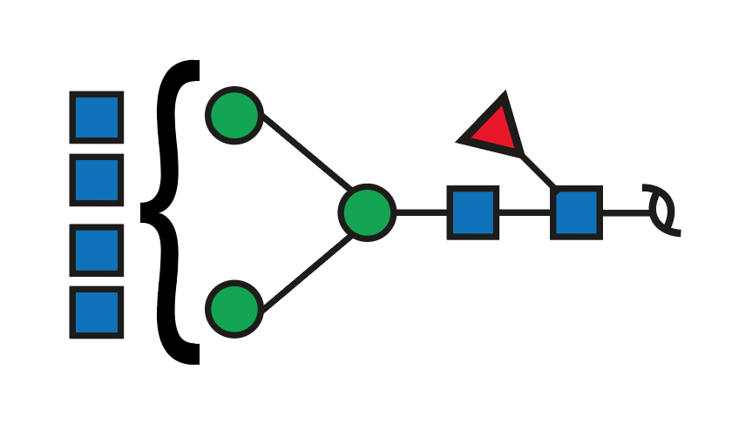 | Complex | Neutral |  |  |  | 0.35 | 0.36 | 0.05 |  |  |  | 0.48
17a | G76019SU | 36.8 (R7B1 inj2) | 937.43 | 2 | 937.34 | -0.093 | 1875.67 | 1 | 2 | 1 | 1 | 1 |  | a | 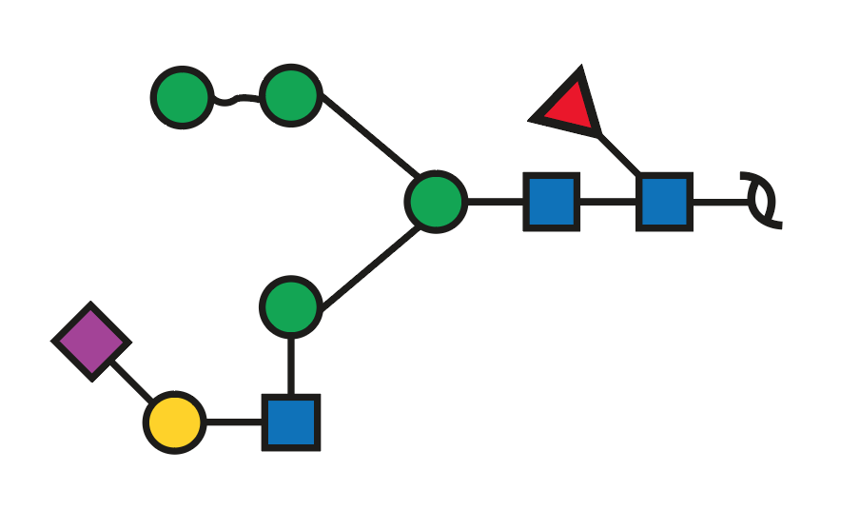 | Hybrid | Sialylated | 2-6 | Core | retention time relating to non fucosylated (864.31) indicates Man3 occupation, and absent 961+978 350 core fuc | 0.68 | 0.40 | 0.77 | 0.78 | 0.48 | 1.25 | 0.79
17b | G03729RK | 42.5 (BM41 inj2) | 937.44 | 2 | 937.34 | -0.103 | 1875.67 | 1 | 2 | 1 | 1 | 1 |  | b | 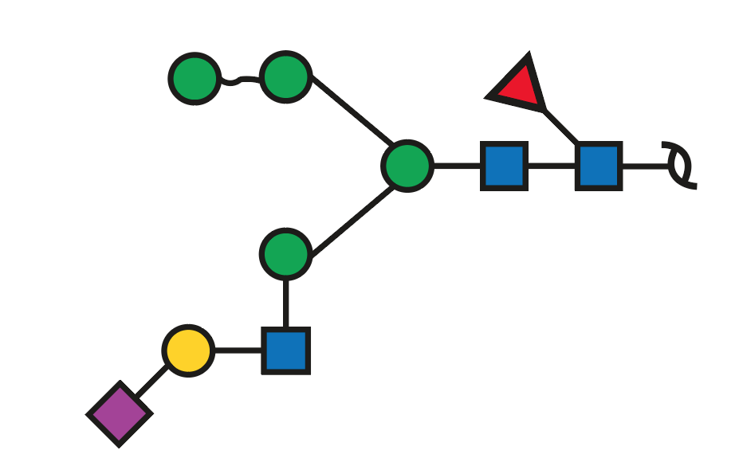 | Hybrid | Sialylated | 2-3 | ND | - |  |  |  |  |  |  | 0.52
18a | G49888UY | 28.5 | 941.40 | 2 | 941.33 | -0.074 | 1883.65 | 1 | 6 |  |  |  |  | a | 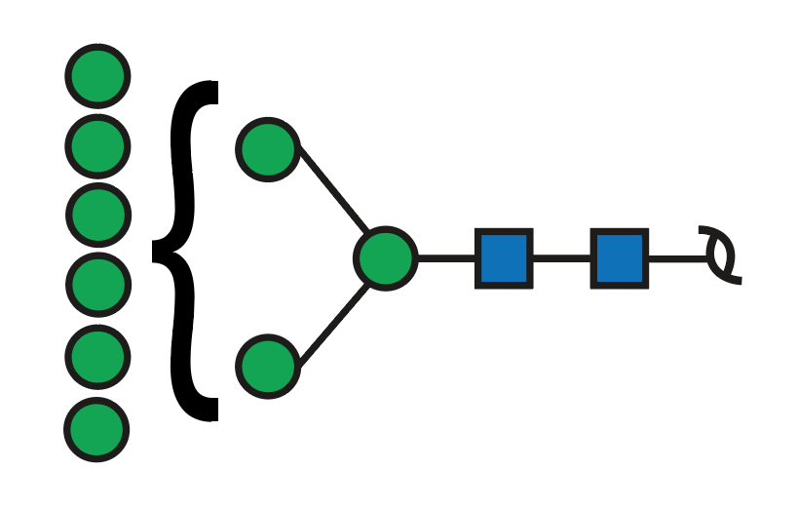 | Oligomannose |  |  |  |  | 0.33 | 0.32 | 0.33 | 0.23 | 0.16 | 0.19 | 0.19
18b | G66257KQ | 32.1 | 941.39 | 2 | 941.33 | -0.064 | 1883.65 | 1 | 6 |  |  |  |  | b | 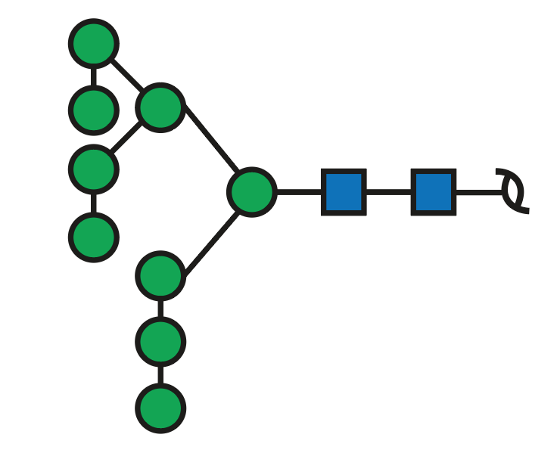 | Oligomannose |  |  |  | Man9 | 12.29 | 12.21 | 8.05 | 10.28 | 10.95 | 6.74 | 6.09
19a | G74784VI | 35.1 | 945.42 | 2 | 945.33 | -0.085 | 1891.67 | 1 | 3 | 1 |  | 1 |  | a | 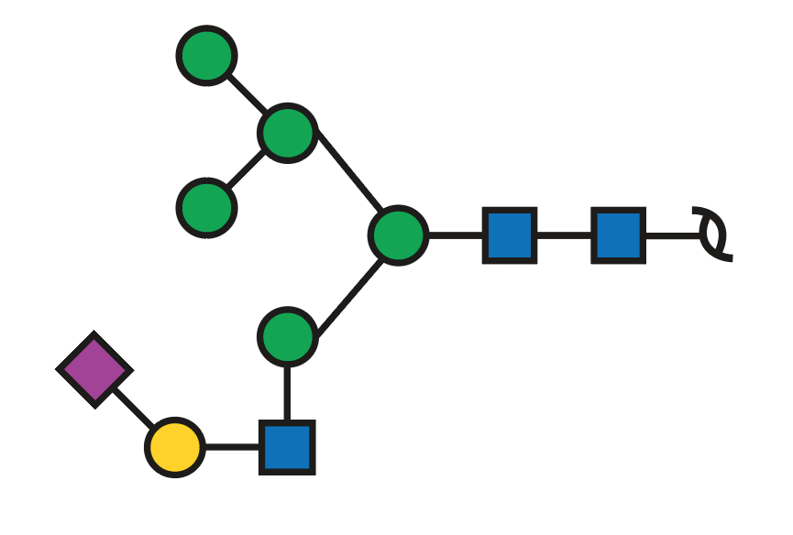 | Hybrid | Sialylated | 2-6 |  | 629 and 647 (two Man residues on 6 arm) meaning Man3 occupied with LacNAc | 1.89 | 1.66 | 2.00 | 1.82 | 1.61 | 1.84 | 0.78
19b | G65666SB | 40.8 (BM41 inj2) | 945.37 | 2 | 945.33 | -0.035 | 1891.67 | 1 | 3 | 1 |  | 1 |  | b | 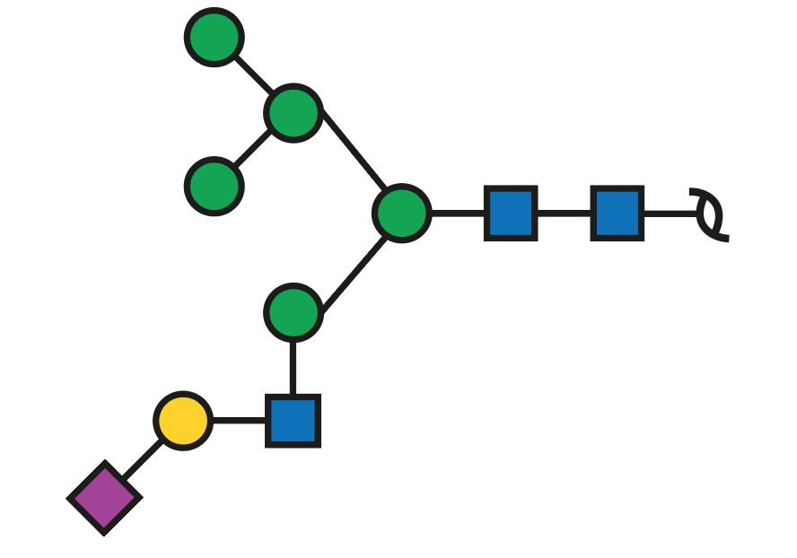 | Hybrid | Sialylated | 2-3 |  | assignment based on knowledge relating biosynthetic pathway |  |  |  |  |  |  | 0.21
20a | G12064HQ | 38.3 (R7B3 inj2) | 957.93 | 2 | 957.85 | -0.079 | 1916.70 | 1 | 1 | 2 | 1 | 1 |  | a | 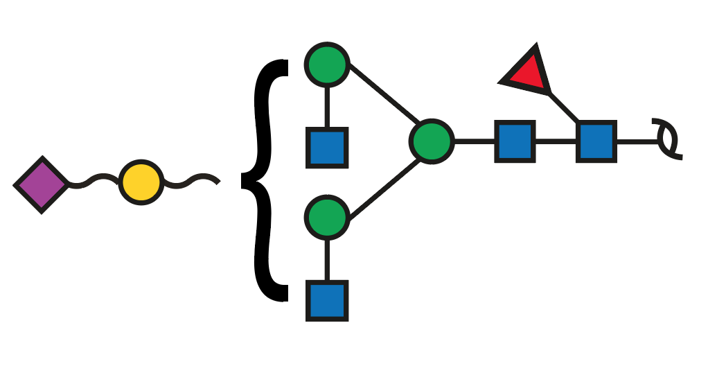 | Complex | Sialylated | ND | ND | - |  | 0.11
20b | G69159WK | 39.4 (R7B3 inj2) | 957.93 | 2 | 957.85 | -0.079 | 1916.70 | 1 | 1 | 2 | 1 | 1 |  | b | 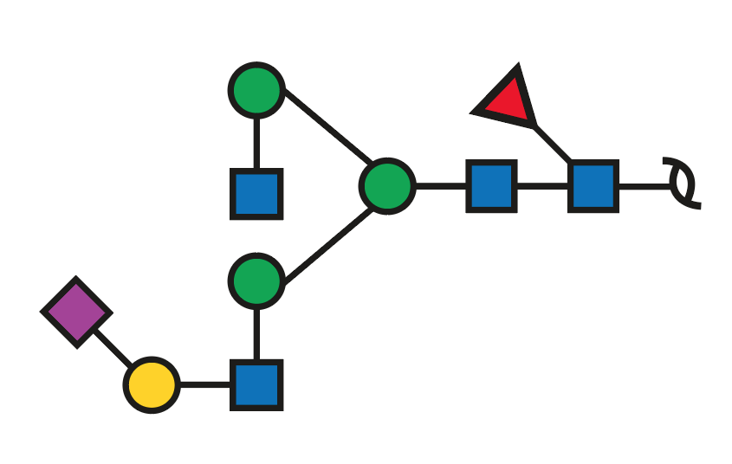 | Complex | Sialylated | 2-6 | Core | 350, 368, 553, 571 (Core Fucose) 508 and 526 present indicating only one HexNAc in the Man6 arm 655 and 424 no 979+961 | 0.38 | 0.46 | 0.55 | 0.48 | 0.56 | 0.70 | 1.97
21a | G79446WY | 36.6 | 965.91 | 2 | 965.85 | -0.062 | 1932.70 | 1 | 2 | 2 |  | 1 |  | a | 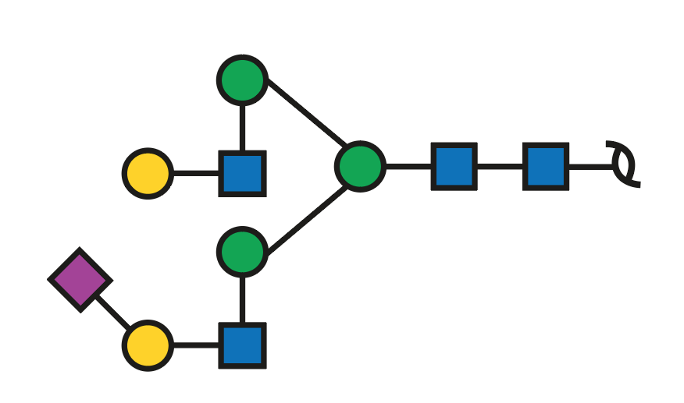 | Complex | Sialylated | 2-6 |  | 6 or 3arm occupied (ratio 783+835 almost same, so it may be a mix) 424+ 655 no pronounced D ions to indicate where the SiAc sits | 1.96 | 2.58 | 2.44 | 1.98 | 3.88 | 3.31 | 2.65
21b | G48795GB | 42.1 | 965.91 | 2 | 965.85 | -0.062 | 1932.70 | 1 | 2 | 2 |  | 1 |  | b | 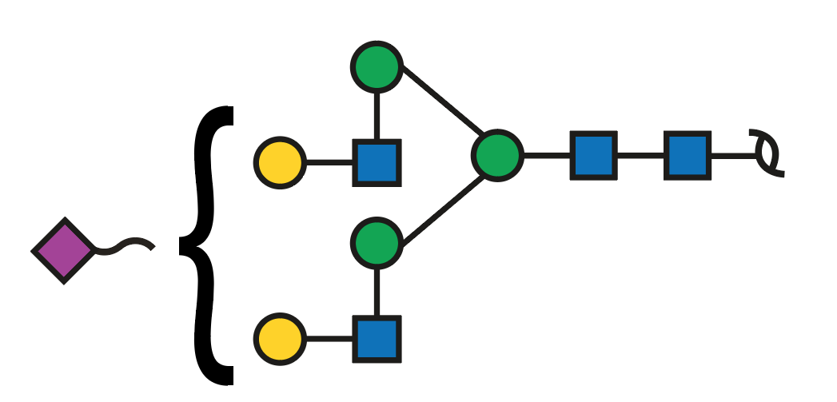 | Complex | Sialylated | 2-3 |  | 6 or 3arm occupied (ratio 783+835 almost same, so it may be a mix) 424+ 655 no pronounced D ions to indicate where the SiAc sits | 0.16 | 0.18 | 0.19 |  | 0.26 | 0.25 | 0.48
22 | G20547AH | 39.1 | 1018.42 | 2 | 1018.36 | -0.056 | 2037.73 | 1 | 3 | 1 | 1 | 1 |  |  | 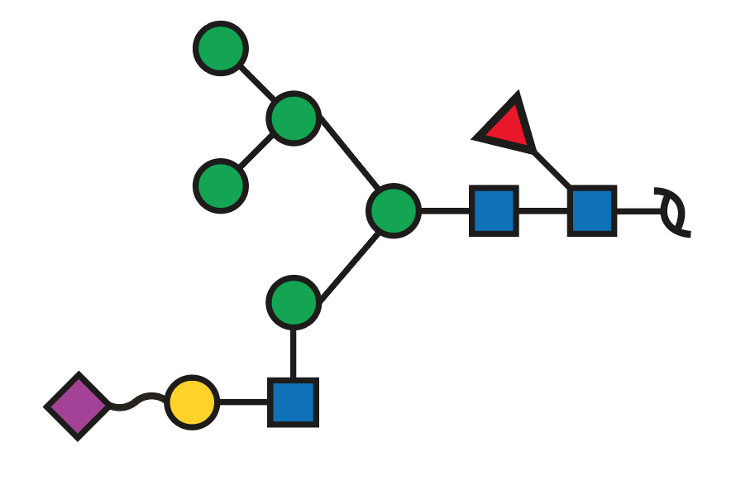 | Hybrid | Sialylated | ND | Core | core fucose 655 Man3 occupied with SiAcLacNAc | 0.38 | 0.34 | 0.43 | 0.44 | 0.36 | 0.64 | 0.57
23 | G19763QB | 33.7 | 1022.43 | 2 | 1022.35 | -0.077 | 2045.71 | 1 | 7 |  |  |  |  |  | 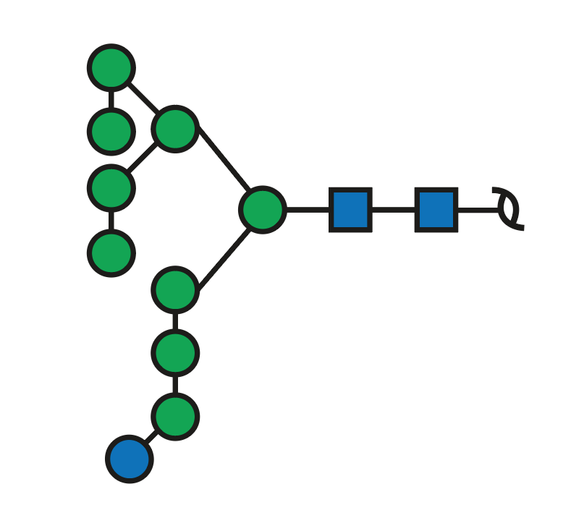 | Oligomannose |  |  |  | Man9Glu1 | 0.47 | 0.43 | 0.45 | 0.67 | 0.65 | 0.40 | 0.58
24 |  | 33.4 | 1026.41 | 2 | 1026.36 | -0.049 | 2053.72 | 1 | 4 | 1 |  | 1 |  |  | 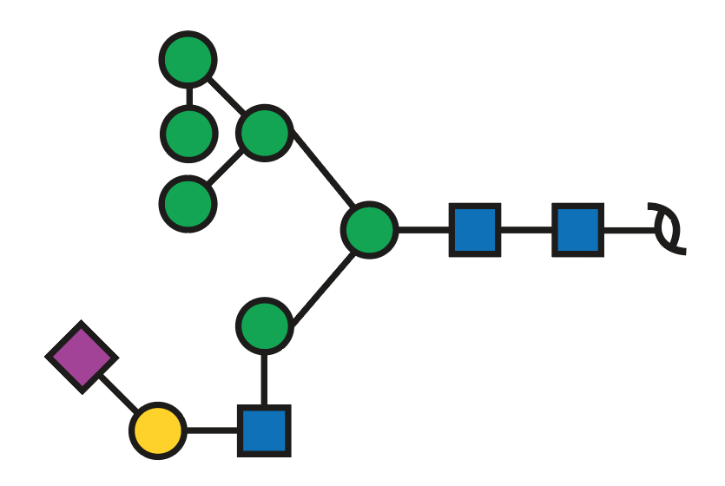 | Hybrid | Sialylated | ND |  | absent 961 and 979 + pathway very small 809 and 791 pair | 0.32 | 0.32 | 0.31 | 0.36 | 0.18 | 0.25
25a |  | 35.5 | 1038.90 | 2 | 1038.88 | -0.023 | 2078.75 | 1 | 2 | 2 | 1 | 1 |  | a | 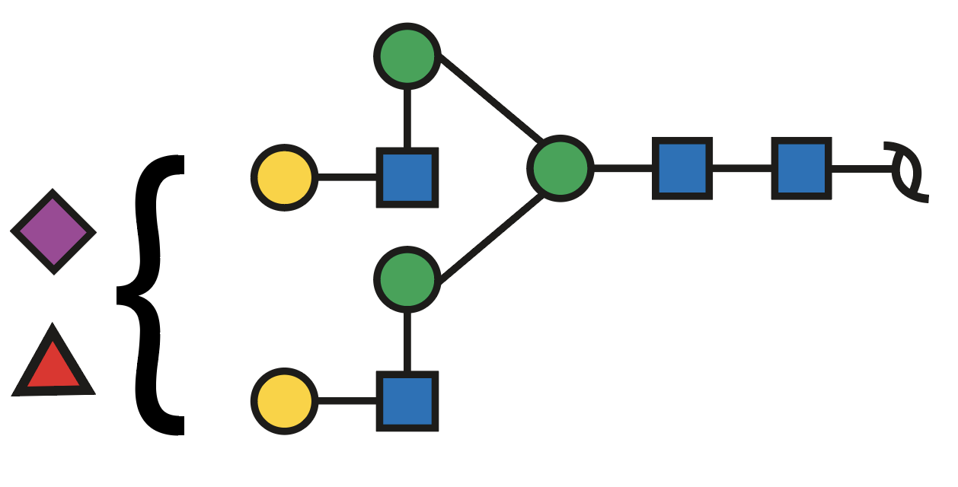 | Complex | Sialylated | 2-6 | Lewis | Sialylated Lewis Fucose on Man3 no core Fuc (no 350, 368, 553 or 571) 855.642- is the 2,4A6 ion Absent pairs 979 and 961, along with 834 and 816 point |  |  | 0.08 |  | 0.28 | 0.29 | 0.83
25b | G02646YL | 37.8 | 1038.94 | 2 | 1038.88 | -0.063 | 2078.75 | 1 | 2 | 2 | 1 | 1 |  | b | 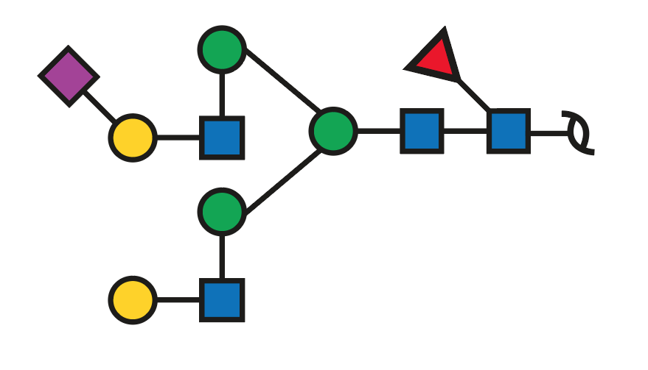 | Complex | Sialylated | 2-6 | Core | ratios 935 and 835 as JASMS(2013) sup non-fuc |  | 0.11 | 0.17 |  | 0.19 | 0.29 | 0.25
25c | G46031NV | 40.3 | 1038.92 | 2 | 1038.88 | -0.043 | 2078.75 | 1 | 2 | 2 | 1 | 1 |  | c | 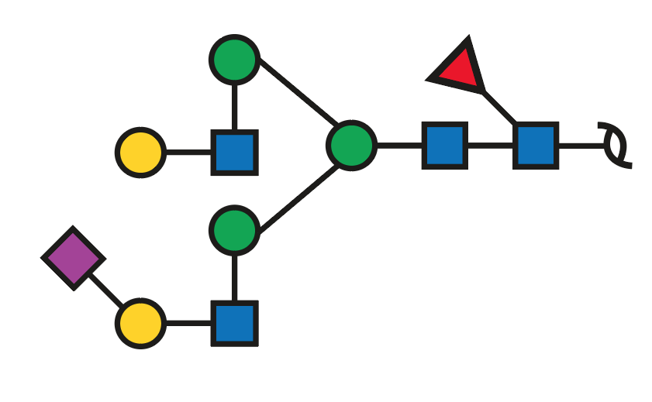 | Complex | Sialylated | 2-6 | Core | ratios 935 and 835 as JASMS(2013) sup non-fuc | 3.87 | 4.98 | 5.25 | 4.38 | 9.66 | 9.77 | 5.18
25d | G97553BW | 43.4 | 1038.92 | 2 | 1038.88 | -0.043 | 2078.75 | 1 | 2 | 2 | 1 | 1 |  | d | 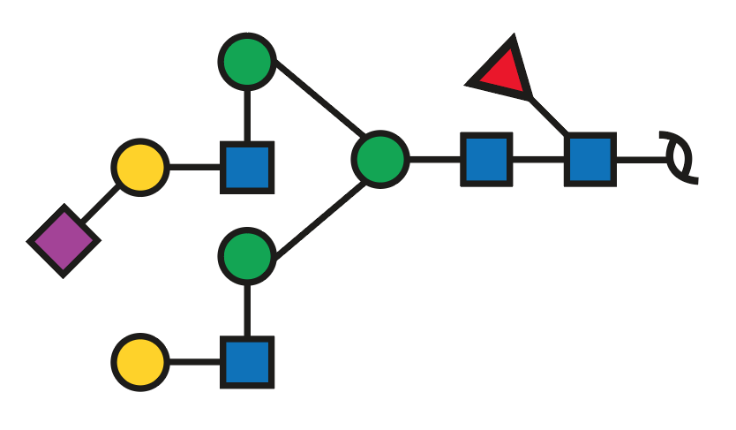 | Complex | Sialylated | 2-3 | Core | absent 1386.4 2,4A7Z4a ratios 935 and 835 as JASMS(2013) sup non-fuc | 0.24 | 0.24 | 0.37 |  |  | 0.21
25e | G69996RR | 45.9 | 1038.94 | 2 | 1038.88 | -0.063 | 2078.75 | 1 | 2 | 2 | 1 | 1 |  | e | 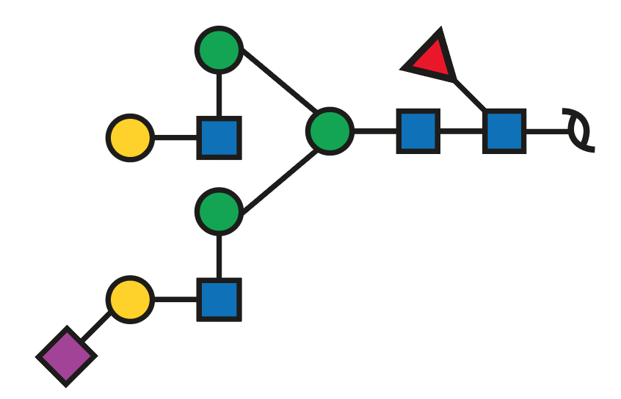 | Complex | Sialylated | 2-3 | Core | absent 1386.4 2,4A7Z4a ratios 935 and 835 as JASMS(2013) sup non-fuc | 0.19 | 0.27 | 0.26 | 0.11 | 0.41 | 0.44 | 0.49
26 | G77712UR | 40.8 | 1057.46 | 1 | 1057.39 | -0.066 | 1057.39 | 1 |  |  | 1 |  |  |  | 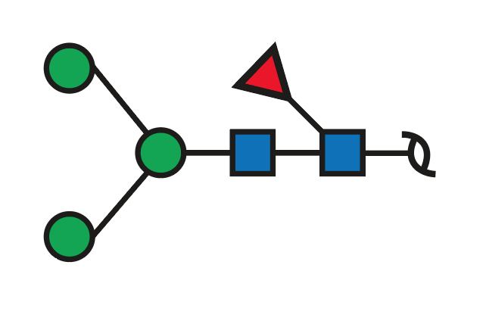 | Paucimannose |  |  | Core |  | 4.27 | 3.80 | 4.14 | 3.78 | 3.42 | 5.06 | 3.51
27a | G92509FK | 30.7 | 1073.48 | 1 | 1073.39 | -0.091 | 1073.39 | 1 | 1 |  |  |  |  | a | 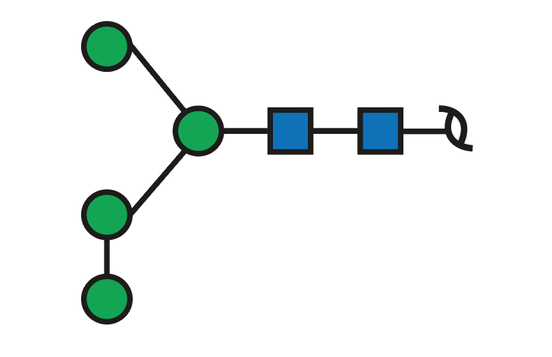 | Oligomannose |  |  |  |  | 0.70 | 0.65 | 0.71 | 0.69 | 0.26 | 0.25 | 3.28
27b | G06664GL | 32.5 | 1073.44 | 1 | 1073.39 | -0.051 | 1073.39 | 1 | 1 |  |  |  |  | b | 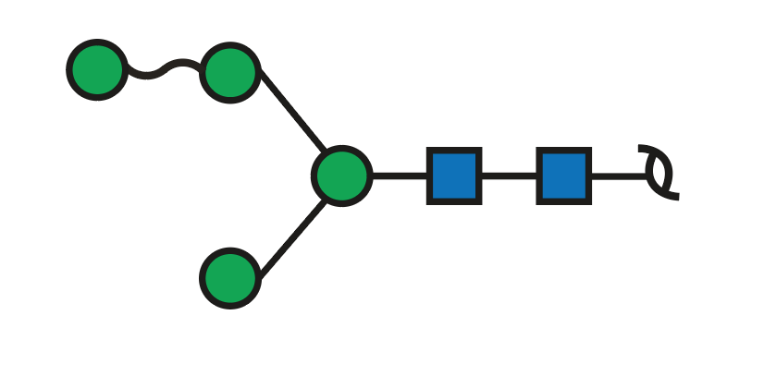 | Oligomannose |  |  |  | Man4 | 0.86 | 0.99 | 0.72 | 0.52 | 0.48 | 0.29 | 0.40
28 | G42397NB | 45.8 | 1075.94 | 2 | 1075.90 | -0.045 | 2152.79 | 1 | 3 | 3 | 1 |  |  |  | 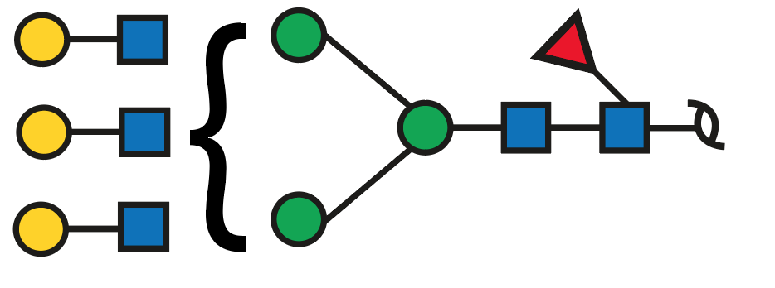 | Complex | Neutral |  | ND |  | 0.21 | 0.14 | 0.09 |  | 0.13 | 0.20 | 0.21
29a | G09675DY | 36.8 | 1111.44 | 2 | 1111.40 | -0.044 | 2223.79 | 1 | 2 | 2 |  | 2 |  | a | 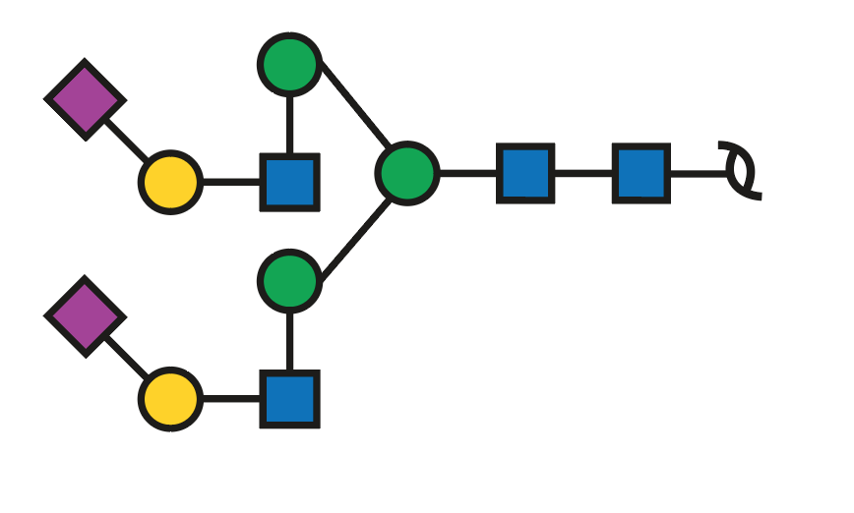 | Complex | Sialylated | 2-6/2-6 |  | 2-6, 2-6 | 2.02 | 2.30 | 2.48 | 1.92 | 3.35 | 2.78 | 2.57
29b | G86874HJ | 42.7 | 1111.45 | 2 | 1111.40 | -0.054 | 2223.79 | 1 | 2 | 2 |  | 2 |  | b | 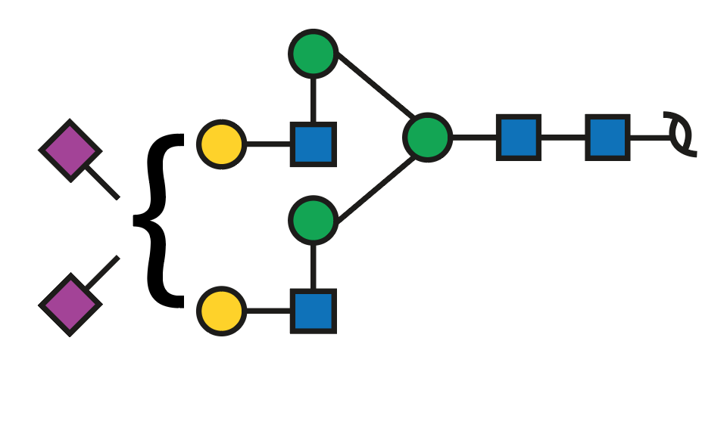 | Complex | Sialylated | Mix |  | 2-6, 2-3 mix | 0.45 | 0.75 | 0.59 | 0.86 | 2.80 | 2.04 | 3.87
29c | G30035MO | 47.0 | 1111.43 | 2 | 1111.40 | -0.034 | 2223.79 | 1 | 2 | 2 |  | 2 |  | c |  | Complex | Sialylated | 2-3/2-3 |  | 2-3, 2-3 | 0.10 | 0.10 | 0.15 | 0.11 | 0.18 | 0.23 | 0.28
30 | G94827SR | 39.4 | 1111.95 | 2 | 1111.91 | -0.044 | 2224.81 | 1 | 2 | 2 | 2 | 1 |  |  |  | Complex | Sialylated | 2-6 | Core+Lewis | core and lewis fucose | 0.27 | 0.31 | 0.73 | 0.67 | 1.71 | 1.60 | 2.22
31 | G37491LV | 34.1 | 1140.47 | 2 | 1140.42 | -0.053 | 2281.83 | 1 | 2 | 3 | 1 | 1 |  |  |  | Complex | Sialylated | 2-6 | Core | core fucose 350, 368, 553 655 very intense 688 and 670 present (no 961 or 979) | 0.54 | 0.26 | 0.25 | 0.94 |  | 1.25 | 0.23
32a | G02945OA | 38.4 | 1148.45 | 2 | 1148.41 | -0.036 | 2297.83 | 1 | 3 | 3 |  | 1 |  | a |  | Complex | Sialylated | 2-6 |  | retention time (sialylation to 2-6) two LacNAc in Man3 one of which (don't know) with SiAc | 0.42 | 0.36 | 0.98 | 0.92 | 0.59 | 0.52 | 0.22
32b |  | 40.8 | 1148.42 | 2 | 1148.41 | -0.006 | 2297.83 | 1 | 3 | 3 |  | 1 |  | b |  | Complex | Sialylated | 2-6 |  | two LacNAc in Man6 one of which (don't know) with SiAc? | 1.20 | 0.66 | 0.84 | 0.18 | 0.19 | 0.36 | 0.20
32c |  | 43.8 | 1148.45 | 2 | 1148.41 | -0.036 | 2297.83 | 1 | 3 | 3 |  | 1 |  | c |  | Complex | Sialylated | 2-3 |  | retention time (+5 min indicates sialylation to 2-3) two LacNAc in Man3 one of which (don't know) with SiAc |  |  |  | 0.07 | 0.30 | 0.14 | 0.09
33a |  | 37.9 | 1184.46 | 2 | 1184.42 | -0.035 | 2369.85 | 1 | 2 | 2 | 1 | 2 |  | a |  | Complex | Sialylated | ND | Lewis | Lewis Fuc upper arm (potentially) | 0.14 | 0.16 | 0.20 |  | 0.09 | 0.16
33b | G22754FQ | 40.0 | 1184.45 | 2 | 1184.42 | -0.025 | 2369.85 | 1 | 2 | 2 | 1 | 2 |  | b |  | Complex | Sialylated | 2-6/2-6 | Core | 2-6 x2 core fuc | 3.75 | 5.83 | 7.36 | 7.59 | 4.66 | 4.10 | 1.78
33c |  | 43.4 | 1184.48 | 2 | 1184.42 | -0.055 | 2369.85 | 1 | 2 | 2 | 1 | 2 |  | c |  | Complex | Sialylated | ND | ND | ND | 0.29 | 0.35 | 0.81 | 0.78 |  | 0.24 | 0.18
33d | G39482HK | 45.7 | 1184.45 | 2 | 1184.42 | -0.025 | 2369.85 | 1 | 2 | 2 | 1 | 2 |  | d |  | Complex | Sialylated | Mix | Core | Mix | 1.08 | 1.59 | 1.92 | 0.76 | 2.13 | 2.61 | 2.63
33e | G74026TS | 50.0 | 1184.46 | 2 | 1184.42 | -0.035 | 2369.85 | 1 | 2 | 2 | 1 | 2 |  | e |  | Complex | Sialylated | 2-3/2-3 | Core | 2-3 2-3 | 0.10 | 0.17 | 0.28 | 0.10 | 0.27 | 0.21 | 0.50
34a |  | 40.0 | 1192.44 | 2 | 1192.42 | -0.018 | 2385.84 | 1 | 3 | 2 |  | 2 |  | a |  | Hybrid | Sialylated | ND |  |  | 0.31 | 0.33 | 0.78 | 0.57 | 0.33 | 0.25
34b |  | 45.7 | 1192.42 | 2 | 1192.42 | 0.002 | 2385.84 | 1 | 3 | 2 |  | 2 |  | b |  | Hybrid | Sialylated | ND |  |  | 0.10 |  |  |  | 0.14 | 0.17
35a |  | 39.4 | 1221.47 | 2 | 1221.44 | -0.027 | 2443.89 | 1 | 3 | 3 | 1 | 1 |  | a |  | Complex | Sialylated | 2-6 | Lewis | no core fucose pairs (350, 368, 553, 571) 655 not intense no 688 and 670 present or 961 or 979 | 0.18 |  |  | 0.24 |  | 0.20
35b | G13441RZ | 41.7 | 1221.45 | 2 | 1221.44 | -0.007 | 2443.89 | 1 | 3 | 3 | 1 | 1 |  | b |  | Complex | Sialylated | 2-6 | Core | core fucose pairs (350, 368, 553, 571) 655 intense no 688 and 670 present or 961 or 979 1327 and 1345 (D-ion with 2HexNAc + 2 Hex + 1SiAc) | 1.30 | 1.05 | 4.93 | 3.61 | 1.67 | 1.46 | 0.69
35c |  | 44.4 | 1221.47 | 2 | 1221.44 | -0.027 | 2443.89 | 1 | 3 | 3 | 1 | 1 |  | c |  | Complex | Sialylated | 2-6 | Core | core fucose pairs (350, 368, 553, 571) 655 intense no 688 and 670 present or 961 or 979 | 1.24 | 0.73 | 1.24 | 0.49 | 0.66 | 0.79 | 0.27
35d |  | 46.8 | 1221.45 | 2 | 1221.44 | -0.007 | 2443.89 | 1 | 3 | 3 | 1 | 1 |  | d |  | Complex | Sialylated | 2-3 | Core | core fucose pairs (350, 368, 553, 571) 655 intense potentially same structure as 36b with 2-3 SiAc (RT would agree) no 688 and 670 present or 961 or 979 | 0.13 | 0.17 | 0.50 | 0.17 | 0.78 | 0.63 | 0.17
36a | G88879NY | 27.6 (BM41 inj1) | 1235.56 | 1 | 1235.44 | -0.118 | 1235.44 | 1 | 2 |  |  |  |  | a |  | Oligomannose |  |  |  |  | 0.34 | 0.43 | 0.39 | 0.36 | 0.35 | 0.19 | 1.71
36b | G13974DV | 36.5 | 1235.55 | 1 | 1235.44 | -0.108 | 1235.44 | 1 | 2 |  |  |  |  | b |  | Oligomannose |  |  |  | Man5 | 5.47 | 6.56 | 4.91 | 5.25 | 5.27 | 3.44 | 2.81
2a | G07483YN | 35.0 | 1260.59 | 1 | 1260.47 | -0.116 | 1260.47 | 1 |  | 1 | 1 |  |  | a |  | Complex | Neutral |  | Core |  | 2.68 | 3.29 | 2.70 | 3.00 | 0.46 | 3.18 | 1.34
2b |  | 39 (BM41 inj1) | 1260.56 | 1 | 1260.47 | -0.086 | 1260.47 | 1 |  | 1 | 1 |  |  | b |  | Complex | Neutral |  | ND | no indication of core fucosylation (lack of all the ions) 654 D-ion [might indicate Fucose in the 6arm attached to the GlcNAc] |  |  |  |  |  |  | 0.53
2c | G33192XL | 42.8 | 1260.56 | 1 | 1260.47 | -0.086 | 1260.47 | 1 |  | 1 | 1 |  |  | c |  | Complex | Neutral |  | ND | D-ion 526; D-18 ion 508 (HexNAc in Man⍺6 arm) | 0.34 | 0.28 | 0.35 | 0.39 | 0.34 | 0.52 | 0.71
37a | G79553XF | 34.6 | 1285.99 | 2 | 1285.96 | -0.026 | 2572.93 | 1 | 2 | 3 | 1 | 2 |  | a |  | Complex | Sialylated | ND | ND | not very informative 553 as only indication of core fucose 979 present (no 1345 or 1636) | 0.78 | 0.40 | 0.54 | 1.71 | 0.08 | 0.63 | 0.09
37b |  | 38.8 | 1285.99 | 2 | 1285.96 | -0.026 | 2572.93 | 1 | 2 | 3 | 1 | 2 |  | b |  | Complex | Sialylated | ND | ND |  |  |  |  |  |  | 0.17 | 0.09
38a | G57551SM | 40.5 | 1294.00 | 2 | 1293.96 | -0.038 | 2588.92 | 1 | 3 | 3 |  | 2 |  | a |  | Complex | Sialylated | ND |  | not very informative spectra 655 present | 0.70 | 0.40 | 0.43 |  | 0.30 | 0.37 | 0.14
38b |  | 44.2 | 1293.98 | 2 | 1293.96 | -0.018 | 2588.92 | 1 | 3 | 3 |  | 2 |  | b |  | Complex | Sialylated | ND |  |  | 0.25 | 0.27 | 0.47 |  | 0.63 | 0.49 | 0.57
38c |  | 46.6 | 1294.00 | 2 | 1293.96 | -0.038 | 2588.92 | 1 | 3 | 3 |  | 2 |  | c |  | Complex | Sialylated | ND |  |  | 0.11 | 0.09 | 0.13 |  | 0.43 | 0.25 | 0.40
38d |  | 49.1 | 1293.98 | 2 | 1293.96 | -0.018 | 2588.92 | 1 | 3 | 3 |  | 2 |  | d |  | Complex | Sialylated | ND |  |  | 0.02 | 0.07 |  |  | 0.21 | 0.14 | 0.19
39 |  | 37.3 | 1323.01 | 2 | 1322.98 | -0.027 | 2646.97 | 1 | 3 | 4 | 1 | 1 |  |  |  | Complex | Sialylated | ND | ND |  | 0.20
40 | G93952RU | 42.4 | 1331.01 | 2 | 1330.98 | -0.030 | 2662.96 | 1 | 4 | 4 |  | 1 |  |  |  | Complex | Sialylated | ND |  |  | 0.42 | 0.20 | 0.46 | 0.05 | 0.15
41a | G04256WF | 41.5 (R7B1 inj2) | 1367.04 | 2 | 1366.99 | -0.049 | 2734.98 | 1 | 3 | 3 | 1 | 2 |  | a |  | Complex | Sialylated | ND | ND |  | 0.14 | 0.12 | 0.61 | 0.66 | 0.07 | 0.12
41b |  | 43.7 | 1367.02 | 2 | 1366.99 | -0.029 | 2734.98 | 1 | 3 | 3 | 1 | 2 |  | b |  | Complex | Sialylated | ND | ND |  | 1.31 | 0.69 | 1.63 | 0.53 | 0.20 | 0.38
41c |  | 46.8 | 1367.02 | 2 | 1366.99 | -0.029 | 2734.98 | 1 | 3 | 3 | 1 | 2 |  | c |  | Complex | Sialylated | ND | ND |  | 0.67 | 0.55 | 0.86 | 0.35 | 0.52 | 0.33 | 0.24
41d |  | 49.3 | 1367.02 | 2 | 1366.99 | -0.029 | 2734.98 | 1 | 3 | 3 | 1 | 2 |  | d |  | Complex | Sialylated | ND | ND |  | 0.09 | 0.15 | 0.13 | 0.06 | 0.19 | 0.08
41e |  | 51.1 (BM0 inj2) | 1367.02 | 2 | 1366.99 | -0.029 | 2734.98 | 1 | 3 | 3 | 1 | 2 |  | e |  | Complex | Sialylated | ND | ND |  |  |  |  |  | 0.05
42a | G30676OW | 45.3 | 1404.06 | 2 | 1404.01 | -0.051 | 2809.02 | 1 | 4 | 4 | 1 | 1 |  | a |  | Complex | Sialylated | ND | ND |  | 0.95 | 0.46 | 1.96 | 0.40 | 0.11 | 0.30 | 0.18
42b |  | 47.4 | 1404.01 | 2 | 1404.01 | -0.001 | 2809.02 | 1 | 4 | 4 | 1 | 1 |  | b |  | Complex | Sialylated | ND | ND |  |  |  |  |  | 0.13 | 0.07
42c |  | 49.4 | 1404.06 | 2 | 1404.01 | -0.051 | 2809.02 | 1 | 4 | 4 | 1 | 1 |  | c |  | Complex | Sialylated | ND | ND |  |  |  |  |  | 0.09 | 0.07
43a |  | 43.7 | 1439.57 | 2 | 1439.51 | -0.060 | 2880.02 | 1 | 3 | 3 |  | 3 |  | a |  | Complex | Sialylated | ND |  |  | 0.19 | 0.17 | 0.19 | 0.19 | 0.85 | 0.61 | 1.00
43b |  | 49.0 | 1439.56 | 2 | 1439.51 | -0.050 | 2880.02 | 1 | 3 | 3 |  | 3 |  | b |  | Complex | Sialylated | ND |  |  | 0.14 | 0.28 | 0.38 | 0.12 | 1.56 | 0.96 | 1.79
44a | G86960BM | 45.1 (R7B1 inj2) | 1549.61 | 2 | 1549.56 | -0.053 | 3100.11 | 1 | 4 | 4 | 1 | 2 |  | a |  | Complex | Sialylated | ND | Core | core based on presence of 1404 | 0.17 |  | 0.33 |  | 0.03
44b |  | 46.9 (R7B1 inj2) | 1549.57 | 2 | 1549.56 | -0.013 | 3100.11 | 1 | 4 | 4 | 1 | 2 |  | b |  | Complex | Sialylated | ND | Core | core based on presence of 1404 | 0.14 | 0.10 | 0.23 |  | 0.03 | 0.08
44c |  | 49.1 (R7B1 inj2) | 1549.58 | 2 | 1549.56 | -0.023 | 3100.11 | 1 | 4 | 4 | 1 | 2 |  | c |  | Complex | Sialylated | ND | ND | - | 0.08 |  |  |  |  | 0.05
45 |  | 48.6 (R7B1 inj2) | 1585.05 | 2 | 1585.06 | 0.007 | 3171.11 | 1 | 3 | 3 |  | 4 |  |  |  | Complex | Sialylated | ND |  |  |  |  |  |  | 0.13 | 0.07 | 0.12
10a |  | 38.1 | 1713.78 | 1 | 1713.62 | -0.158 | 1713.62 | 1 | 1 | 1 | 1 | 1 |  | a |  | Complex | Sialylated
...
 | 1 | 1
 | #REF! | #REF!

